descriptive statistics
Date | weekly return, NIKE, Inc. (NKE) | weekly return, Apple Inc. (AAPL) |  | NKE | APPL
10/03/2026 | 0.69% | 0.75% | MAX | 20.49% | 13.32%
09/03/2026 | -0.18% | -1.63% | MIN | -12.99% | -13.55%
02/03/2026 | -8.32% | -0.15% | range | 33.48% | 26.87%
23/02/2026 | -1.50% | 3.54%
09/02/2026 | -1.24% | -8.03% | Q3 | 3.35% | 2.86%
02/02/2026 | 3.42% | 7.18% | Q1 | -3.98% | -1.54%
26/01/2026 | -4.97% | 4.61% | IQR, Q3-Q1 | 7.33% | 4.41%
19/01/2026 | 1.02% | -2.93%
12/01/2026 | -2.34% | -1.48% | MEAN | -0.27% | 0.52%
05/01/2026 | 4.18% | -4.30% | MEAN ABSOLUTE DEVIATION | 4.46% | 4.82%
29/12/2025 | 3.85% | -0.87% | SAMPLE VARIANCE | 0.30% | 0.19%
22/12/2025 | 3.79% | -0.10% | SAMPLE STANDARD DEVIATION | 5.47% | 4.38%
15/12/2025 | -12.99% | -1.66% | MEDIAN | -0.21% | 0.04%
08/12/2025 | 3.11% | -0.20%
01/12/2025 | 1.90% | 2.71%
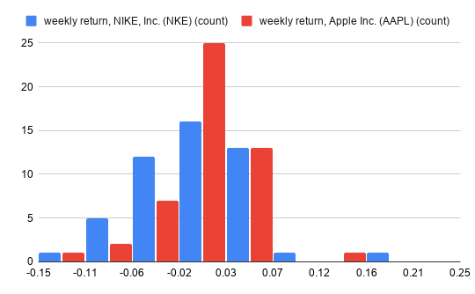
24/11/2025 | 0.73% | -0.24%
10/11/2025 | 5.04% | 1.47%
03/11/2025 | -5.43% | -0.70%
27/10/2025 | -6.54% | 2.87%
20/10/2025 | 2.59% | 4.17%
13/10/2025 | 3.29% | 2.86%
06/10/2025 | -9.32% | -4.94%
29/09/2025 | 3.77% | 1.00%
22/09/2025 | -2.23% | 4.06%
15/09/2025 | -2.89% | 4.88%
08/09/2025 | -0.72% | 0.83%
01/09/2025 | -4.47% | 1.92%
25/08/2025 | 0.53% | -1.54%
11/08/2025 | 3.75% | 0.98%
04/08/2025 | -0.59% | 13.32%
28/07/2025 | -2.16% | -5.37%
21/07/2025 | 5.24% | 1.28%
14/07/2025 | -0.21% | 0.01%
07/07/2025 | -4.93% | -1.12% | The histograms of weekly returns show that Nike and Apple behave differently. Nike is more stable: its returns are tightly clustered around zero, and extreme values are rare. Apple is more volatile and growth-oriented: it has a wider spread of values and more weeks with positive returns. At the same time, Apple has almost no strong weekly declines, which makes it less risky in terms of catastrophic losses, despite its overall higher volatility.
30/06/2025 | 6.05% | 6.20%
23/06/2025 | 20.49% | 0.04%
16/06/2025 | -1.23% | 2.32%
09/06/2025 | -2.97% | -2.19%
02/06/2025 | 3.64% | 2.86%
26/05/2025 | -3.98% | -7.45%
12/05/2025 | 8.25% | 6.41%
05/05/2025 | -0.51% | -3.32%
28/04/2025 | 1.69% | -1.88%
21/04/2025 | 3.35% | 6.24%
14/04/2025 | 2.51% | -0.59%
07/04/2025 | -5.00% | 5.19%
31/03/2025 | -9.54% | -13.55%
24/03/2025 | -6.85% | -0.17%
17/03/2025 | -5.19% | 2.24%
10/03/2025

